Script
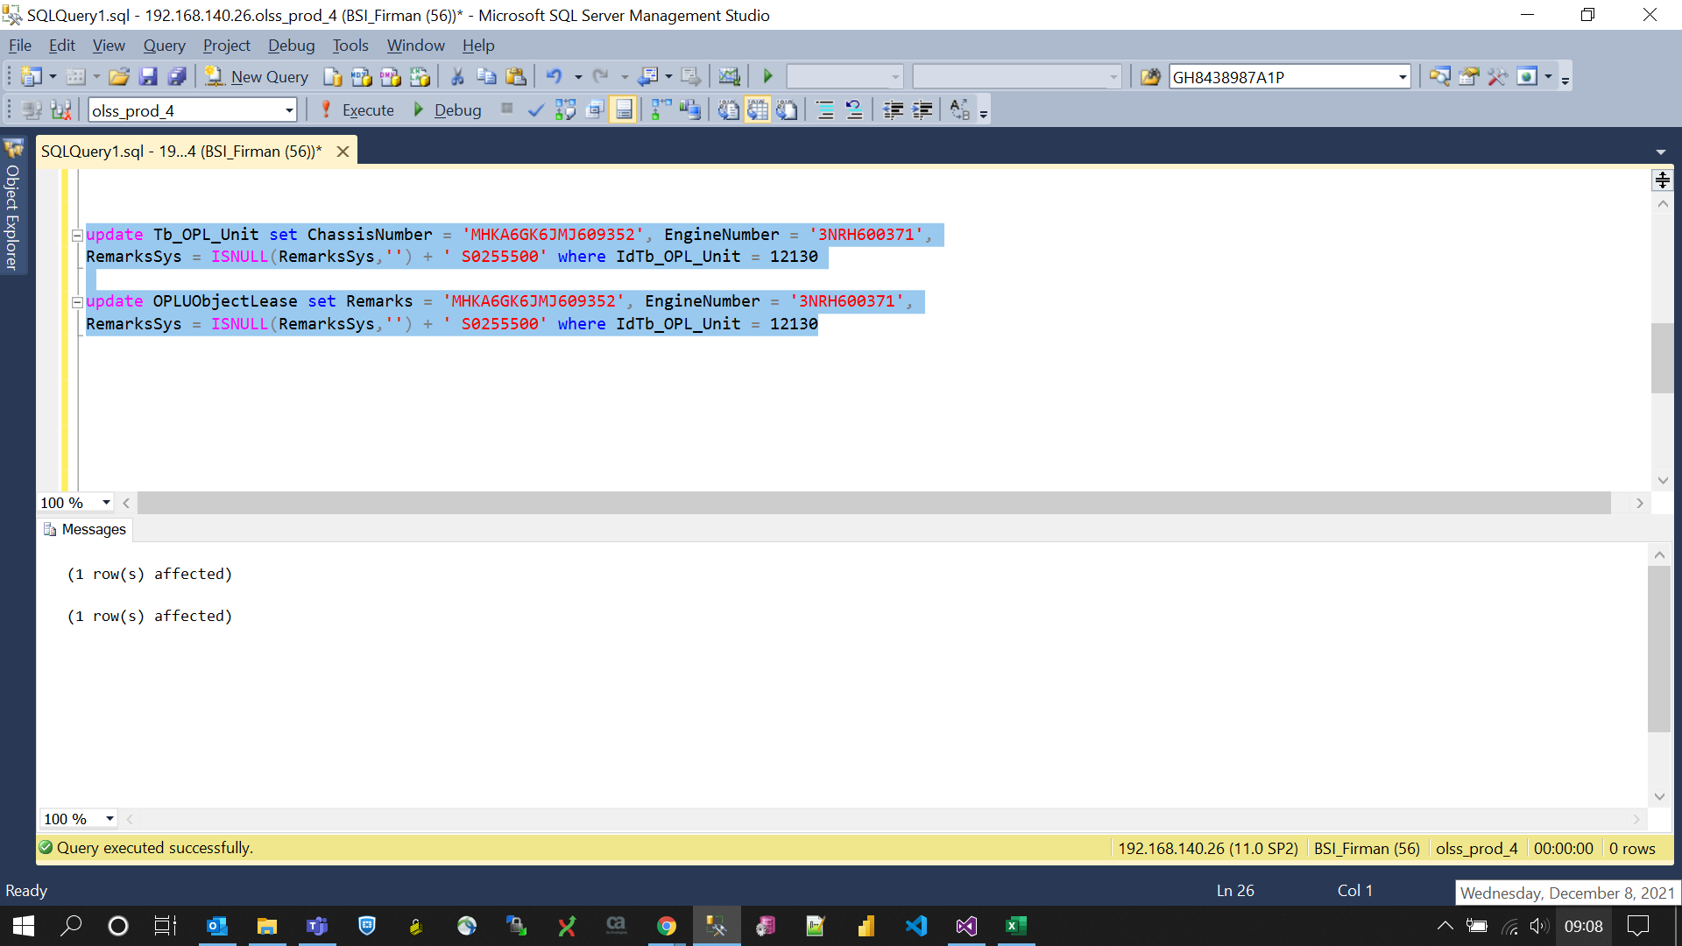
update Tb_OPL_Unit set ChassisNumber = 'MHKA6GK6JMJ609352', EngineNumber = '3NRH600371',
RemarksSys = ISNULL(RemarksSys,'') + ' S0255500' where IdTb_OPL_Unit = 12130

update OPLUObjectLease set Remarks = 'MHKA6GK6JMJ609352', EngineNumber = '3NRH600371',
RemarksSys = ISNULL(RemarksSys,'') + ' S0255500' where IdTb_OPL_Unit = 12130

Screenshot
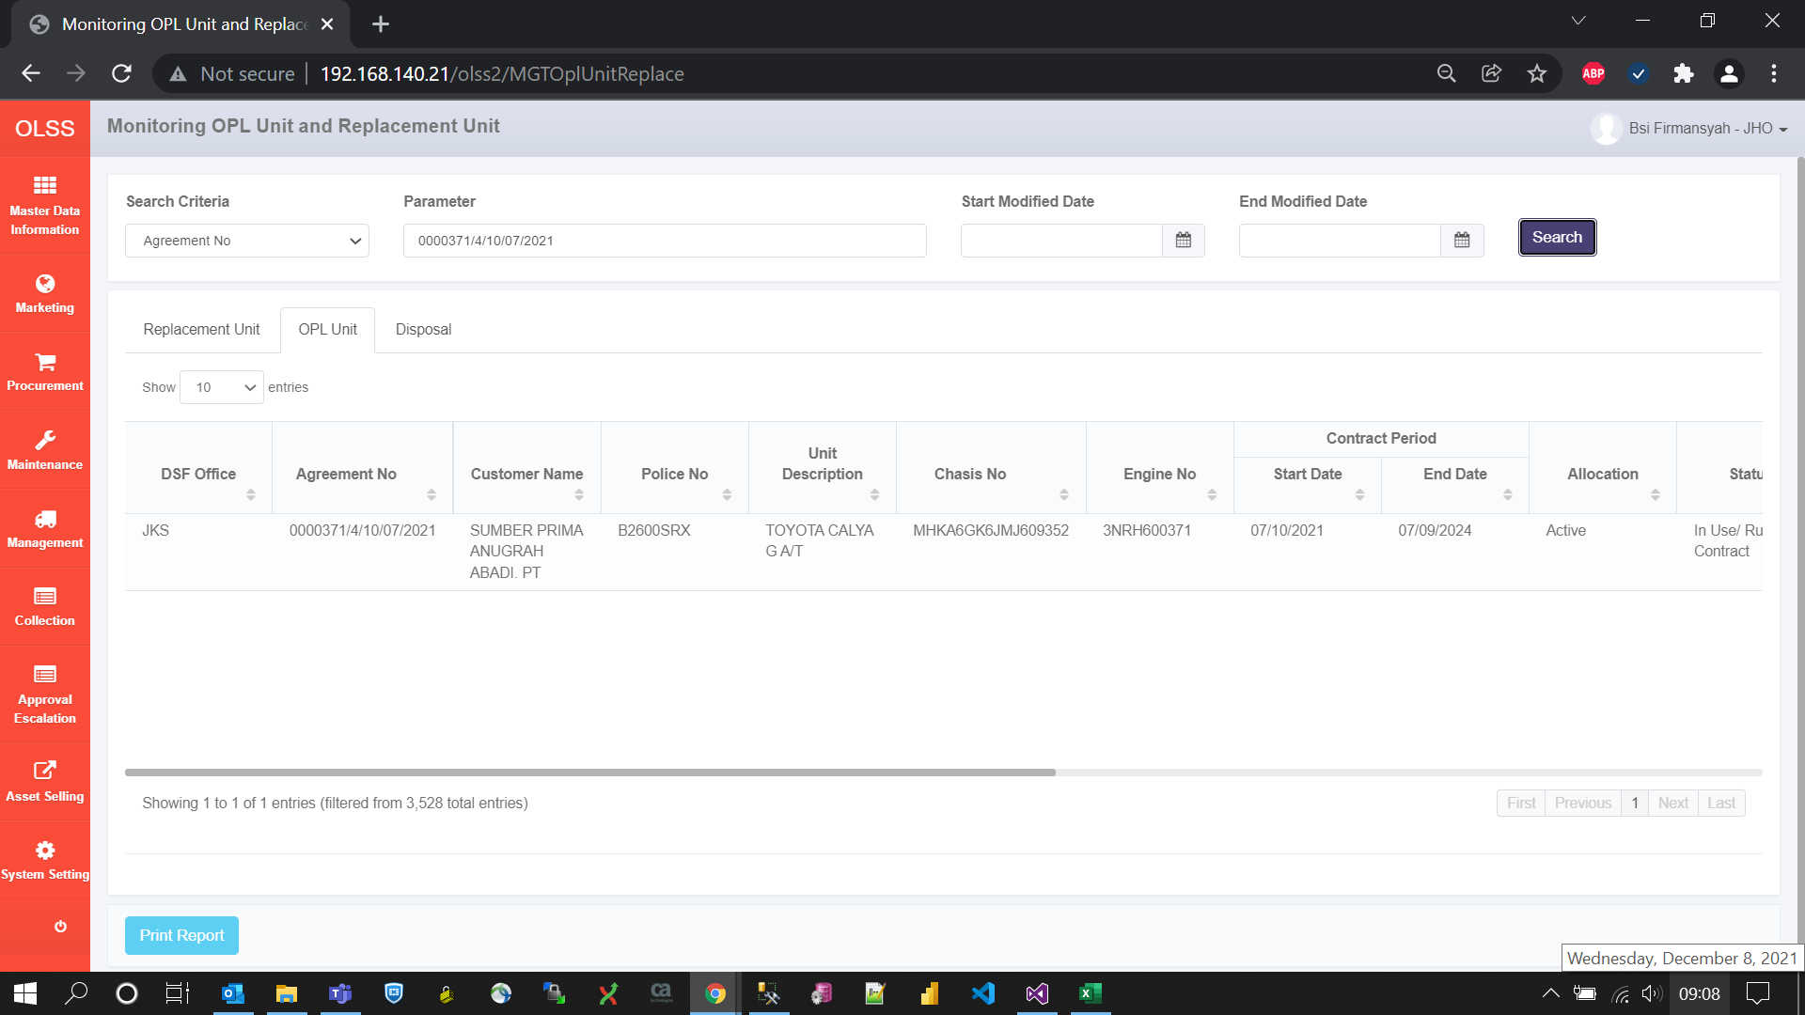
BEFORE


AFTER

